PrescriptiveCodeTable
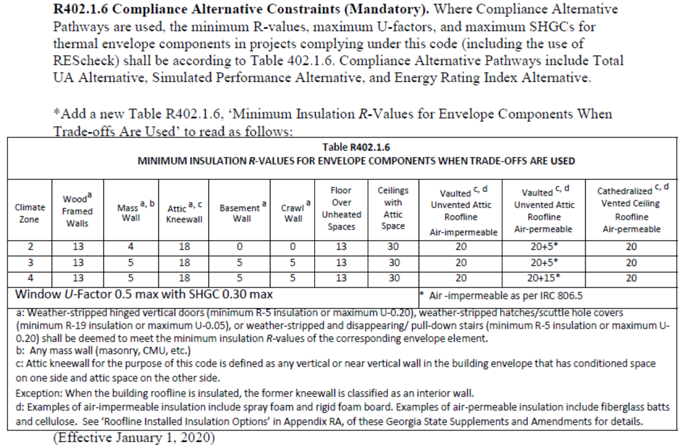
Values from Georgia Prescriptive Code R-value Table 402.1.2
Climate Zone | Ceiling R-Value | Wood Frame Wall R-Value | Mass Wall R-Value* | Mass Wall R-Value (cavity majority) | Floor R-Value | Basement Continuous | Basement Cavity | Crawlspace Continuous | Crawlspace Cavity | Fenestration U-Factor | Skylight U-factor | Fenestration SHGC
2 | 38 | 13 | 4/6 | 13 | 13 | 0 | 0 | 0 | 0 | 0.35 | 0.65 | 0.27
3 | 38 | 13 | 8/13 | 13 | 19 | 5 | 13 | 5 | 13 | 0.35 | 0.55 | 0.27
4 | 38 | 13 | 8/13 | 13 | 19 | 10 | 13 | 10 | 13 | 0.35 | 0.55 | 0.27
 |  |  | *Exterior/Interior
Values from Georgia Prescriptive Code U-factor Tables 402.1.4
Climate Zone | Ceiling U-Factor | Wood Frame Wall U-Factor | Mass Wall U-Factor | Floor U-Factor | Basement Wall U-Factor | Crawlspace Wall U-Factor | Fenestration U-Factor | Skylight U-factor | Fenestration SHGC |  |  | Uninsulated slab on grade
2 | 0.030 | 0.084 | 0.165 | 0.064 | 0.360 | 0.477 | 0.35 | 0.65 | 0.27 |  |  | 1.042
3 | 0.030 | 0.084 | 0.098 | 0.047 | 0.091 | 0.136 | 0.35 | 0.55 | 0.27 |  |  | 1.042
4 | 0.030 | 0.084 | 0.098 | 0.047 | 0.059 | 0.065 | 0.35 | 0.55 | 0.27 |  |  | 1.042

Values from Georgia Prescriptive Code Minimum R-Values 402.1.6 - "Backstop Table"
Climate Zone | Wood Framed Walls | Mass Wall | Attic Kneewall | Basement Wall | Crawlspace Wall | Floor Over Unheated Space | Ceiling With Attic Space | Vaulted Unvented Attic Roofline - Air Impermeable | Vaulted Unvented Attic Roofline - Air Permeable | Cathedralized Vented Ceiling Roofline - Air Permeable
2 | 13 | 4 | 18 | 0 | 0 | 13 | 30 | 20 | 20+5 | 20
3 | 13 | 5 | 18 | 5 | 5 | 13 | 30 | 20 | 20+5 | 20
4 | 13 | 5 | 18 | 5 | 5 | 13 | 30 | 20 | 20+15 | 20

